1
SERVICE SALES TAX INVOICE

 |  |  | Dated: 09-07-2024
 |  |  | Invoice # 1044

 |  |  | Client
Name | PIONEER SERVICES |  | Name | M/S ARSHAD SHAHID ABDULLA (PRIVATE) LIMITED
Address | 2-C 1st Floor Sunset Lane I phase II EXT DHA Karachi |  | Address | Ground Floor, Central Hotel Building, Merewether Rd, Civil Lines, Karachi, Karachi
Contact | 021 35881523 02135890307 |  | Contact
SNTN # | S4312149-7 |  | SNTN # | S0709706-9

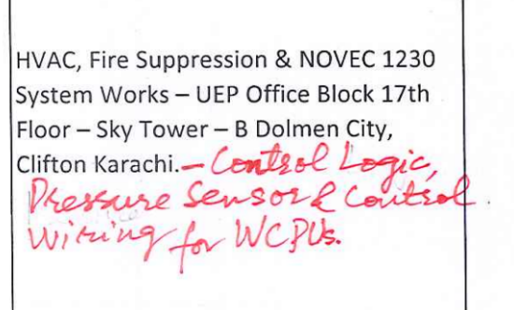
S. # | DESCRIPTION OF SERVICES | Value Excluding Sales Tax | RATE | Sales Tax Payable | Value Including Sales Tax

1 | HVAC, Fire Suppression & NOVEC 1230 System Works – UEP Office Block 17th Floor – Sky Tower – B Dolmen City, Clifton Karachi- Control logic, pressure sensor & control wiring for WCPUs. | 803,250 | 15% | 120,488 | 923,738

 | Total Amount Rs | 803,250 |  | 120,488 | 923,738

